Sheet1
target internal porosity | bc type | c:agg | bc:ba | w:c | Cradle-to-gate score, CS0, /m3 | M, Biochar | M, Cement, Portland | density | interal pore volume
0.05 | 2 | 0.8 | 0.42857142857 | 0.5 | -2.1667356753 | 14% | 36% | 2149.0669454 | 0.26109916346
 |  |  |  | 0.55 | -2.1626886319 | 13% | 36% | 2188.1408899 | 0.26109916346
 |  |  |  | 0.69 | -2.1513569104 | 13% | 34% | 2297.5479344 | 0.26109916346
 |  | 1 | 1 | 0.5 | -228.38816129 | 20% | 40% | 1877.9319181 | 0.3346314854
 |  |  |  | 0.55 | -228.38427119 | 20% | 39% | 1915.4905564 | 0.3346314854
 |  |  |  | 0.69 | -228.37337892 | 19% | 37% | 2020.6547438 | 0.3346314854
 |  | 1.1 | 1 | 0.5 | -159.34823468 | 19% | 42% | 1941.5663269 | 0.32638735423
 |  |  |  | 0.55 | -159.344061 | 18% | 41% | 1981.8629865 | 0.32638735423
 |  |  |  | 0.69 | -159.33237468 | 17% | 38% | 2094.6936335 | 0.32638735423
 |  | 1.2 | 1 | 0.5 | -93.628312085 | 18% | 43% | 2002.1406732 | 0.31853966828
 |  |  |  | 0.55 | -93.62386845 | 17% | 42% | 2045.0436877 | 0.31853966828
 |  |  |  | 0.69 | -93.611426271 | 17% | 40% | 2165.1721281 | 0.31853966828
 |  | 1.3 | 1 | 0.5 | -30.994536967 | 17% | 44% | 2059.8705036 | 0.31106050249
 |  |  |  | 0.55 | -30.989836058 | 17% | 43% | 2105.2574808 | 0.31106050249
 |  |  |  | 0.69 | -30.976673512 | 16% | 41% | 2232.341017 | 0.31106050249
 |  | 1.35 | 1 | 0.5 | -0.76781047229 | 17% | 45% | 2087.7306125 | 0.30745109689
 |  |  |  | 0.55 | -0.76298540407 | 16% | 44% | 2134.3163369 | 0.30745109689
 |  |  |  | 0.69 | -0.74947521304 | 15% | 41% | 2264.7563653 | 0.30745109689
 | 3 | 0.8 | 0.42857142857 | 0.5 | -0.85315873249 | 14% | 36% | 1678.7140943 | 0.43446493523
 |  |  |  | 0.55 | -0.8499974402 | 13% | 36% | 1709.2361687 | 0.43446493523
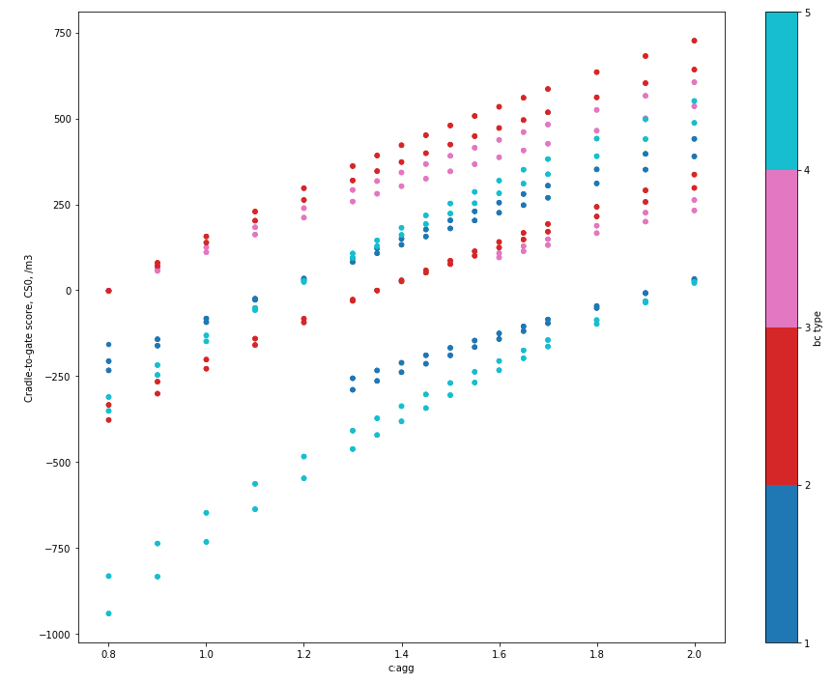
 |  |  |  | 0.69 | -0.84114582177 | 13% | 34% | 1794.6979772 | 0.43446493523
 | 4 | 0.9 | 0.42857142857 | 0.5 | -246.50136164 | 13% | 38% | 2503.722543 | 0.18680256136
 |  |  |  | 0.55 | -246.49639593 | 13% | 38% | 2551.6661661 | 0.18680256136
 |  |  |  | 0.69 | -246.48249193 | 12% | 36% | 2685.908311 | 0.18680256136
 |  | 1 | 0.42857142857 | 0.5 | -148.95213259 | 12% | 40% | 2571.4129305 | 0.18034176019
 |  |  |  | 0.55 | -148.94680596 | 12% | 39% | 2622.8411891 | 0.18034176019
 |  |  |  | 0.69 | -148.9318914 | 11% | 37% | 2766.8403132 | 0.18034176019
 |  | 1.1 | 0.42857142857 | 0.5 | -57.92505202 | 11% | 42% | 2634.5775338 | 0.17431292865
 |  |  |  | 0.55 | -57.919388604 | 11% | 41% | 2689.2574449 | 0.17431292865
 |  |  |  | 0.69 | -57.903531042 | 10% | 38% | 2842.3611959 | 0.17431292865
 |  | 1.6 | 1 | 0.5 | -232.86123655 | 15% | 47% | 2546.5614142 | 0.21887112808
 |  |  |  | 0.55 | -232.85503049 | 14% | 46% | 2606.4805063 | 0.21887112808
 |  |  |  | 0.69 | -232.83765353 | 13% | 43% | 2774.2539642 | 0.21887112808
 |  | 1.65 | 1 | 0.5 | -197.95547646 | 14% | 47% | 2570.3678323 | 0.21614923737
 |  |  |  | 0.55 | -197.94915606 | 14% | 46% | 2631.3909535 | 0.21614923737
 |  |  |  | 0.69 | -197.93145892 | 13% | 44% | 2802.2556928 | 0.21614923737
 |  | 1.7 | 1 | 0.5 | -163.90723133 | 14% | 48% | 2593.5894082 | 0.21349421419
 |  |  |  | 0.55 | -163.90079939 | 14% | 47% | 2655.6894363 | 0.21349421419
 |  |  |  | 0.69 | -163.88278994 | 13% | 44% | 2829.5695149 | 0.21349421419
 |  | 1.8 | 1 | 0.5 | -98.259919414 | 14% | 49% | 2638.362172 | 0.20837515052
 |  |  |  | 0.55 | -98.253272412 | 13% | 47% | 2702.5385491 | 0.20837515052
 |  |  |  | 0.69 | -98.234660807 | 12% | 45% | 2882.2324052 | 0.20837515052
 |  | 1.9 | 1 | 0.5 | -35.687011512 | 13% | 49% | 2681.0381315 | 0.20349582354
 |  |  |  | 0.55 | -35.680159526 | 13% | 48% | 2747.1936178 | 0.20349582354
 |  |  |  | 0.69 | -35.660973965 | 12% | 45% | 2932.4289796 | 0.20349582354
0.16 | 2 | 0.8 | 0.42857142857 | 0.5 | -1.9158504918 | 14% | 36% | 1900.2276149 | 0.23086662875
 |  |  |  | 0.55 | -1.9122720534 | 13% | 36% | 1934.7772079 | 0.23086662875
 |  |  |  | 0.69 | -1.902252426 | 13% | 34% | 2031.5160683 | 0.23086662875
 |  | 1 | 1 | 0.5 | -201.9432163 | 20% | 40% | 1660.4871697 | 0.29588468183
 |  |  |  | 0.55 | -201.93977663 | 20% | 39% | 1693.6969131 | 0.29588468183
 |  |  |  | 0.69 | -201.93014557 | 19% | 37% | 1786.6841946 | 0.29588468183
 |  | 1.1 | 1 | 0.5 | -140.89738646 | 19% | 42% | 1716.7533838 | 0.28859513427
 |  |  |  | 0.55 | -140.89369604 | 18% | 41% | 1752.3841144 | 0.28859513427
 |  |  |  | 0.69 | -140.88336287 | 17% | 38% | 1852.1501601 | 0.28859513427
 |  | 1.2 | 1 | 0.5 | -82.787139107 | 18% | 43% | 1770.3138584 | 0.28165612774
 |  |  |  | 0.55 | -82.783209998 | 17% | 42% | 1808.2491554 | 0.28165612774
 |  |  |  | 0.69 | -82.772208492 | 17% | 40% | 1914.4679869 | 0.28165612774
 |  | 1.3 | 1 | 0.5 | -27.405695845 | 17% | 44% | 1821.3591822 | 0.27504297062
 |  |  |  | 0.55 | -27.401539251 | 17% | 43% | 1861.4908252 | 0.27504297062
 |  |  |  | 0.69 | -27.38990079 | 16% | 41% | 1973.8594256 | 0.27504297062
 |  | 1.35 | 1 | 0.5 | -0.67890610182 | 17% | 45% | 1845.9933837 | 0.27185149619
 |  |  |  | 0.55 | -0.6746397257 | 16% | 44% | 1887.1849716 | 0.27185149619
 |  |  |  | 0.69 | -0.66269387258 | 15% | 41% | 2002.5214177 | 0.27185149619
 | 3 | 0.8 | 0.42857142857 | 0.5 | -0.75437193188 | 14% | 36% | 1484.3366728 | 0.38415846905
 |  |  |  | 0.55 | -0.75157668396 | 13% | 36% | 1511.3246123 | 0.38415846905
 |  |  |  | 0.69 | -0.74374998978 | 13% | 34% | 1586.890843 | 0.38415846905
 | 4 | 0.9 | 0.42857142857 | 0.5 | -217.95909871 | 13% | 38% | 2213.8178275 | 0.1651727911
 |  |  |  | 0.55 | -217.95470798 | 13% | 38% | 2256.2100837 | 0.1651727911
 |  |  |  | 0.69 | -217.94241392 | 12% | 36% | 2374.9084013 | 0.1651727911
 |  | 1 | 0.42857142857 | 0.5 | -131.70504355 | 12% | 40% | 2273.6703806 | 0.1594600827
 |  |  |  | 0.55 | -131.70033369 | 12% | 39% | 2319.1437883 | 0.1594600827
 |  |  |  | 0.69 | -131.68714608 | 11% | 37% | 2446.4693296 | 0.1594600827
 |  | 1.1 | 0.42857142857 | 0.5 | -51.217940733 | 11% | 42% | 2329.5211878 | 0.15412932639
 |  |  |  | 0.55 | -51.212933082 | 11% | 41% | 2377.8697408 | 0.15412932639
 |  |  |  | 0.69 | -51.198911658 | 10% | 38% | 2513.245689 | 0.15412932639
 |  | 1.55 | 1 | 0.5 | -237.54963021 | 15% | 47% | 2230.1096143 | 0.19599626686
 |  |  |  | 0.55 | -237.54424644 | 15% | 46% | 2282.0896129 | 0.19599626686
 |  |  |  | 0.69 | -237.52917187 | 14% | 43% | 2427.6336088 | 0.19599626686
 |  | 1.6 | 1 | 0.5 | -205.89835653 | 15% | 47% | 2251.6964084 | 0.19352815536
 |  |  |  | 0.55 | -205.89286907 | 14% | 46% | 2304.6775003 | 0.19352815536
 |  |  |  | 0.69 | -205.87750417 | 13% | 43% | 2453.0245578 | 0.19352815536
 |  | 1.65 | 1 | 0.5 | -175.03431603 | 14% | 47% | 2272.7462938 | 0.19112143094
 |  |  |  | 0.55 | -175.02872746 | 14% | 46% | 2326.7035799 | 0.19112143094
 |  |  |  | 0.69 | -175.01307946 | 13% | 44% | 2477.783981 | 0.19112143094
 |  | 1.7 | 1 | 0.5 | -144.92849928 | 14% | 48% | 2293.2790556 | 0.1887738315
 |  |  |  | 0.55 | -144.92281209 | 14% | 47% | 2348.1885542 | 0.1887738315
 |  |  |  | 0.69 | -144.90688795 | 13% | 44% | 2501.93515 | 0.1887738315
 |  | 1.8 | 1 | 0.5 | -86.882455061 | 14% | 49% | 2332.8676047 | 0.18424750151
 |  |  |  | 0.55 | -86.876577712 | 13% | 47% | 2389.6130329 | 0.18424750151
 |  |  |  | 0.69 | -86.860121135 | 12% | 45% | 2548.5002319 | 0.18424750151
 |  | 1.9 | 1 | 0.5 | -31.554831231 | 13% | 49% | 2370.6021373 | 0.17993314924
 |  |  |  | 0.55 | -31.548772633 | 13% | 48% | 2429.0975147 | 0.17993314924
 |  |  |  | 0.69 | -31.531808558 | 12% | 45% | 2592.8845715 | 0.17993314924

